Financial Statements
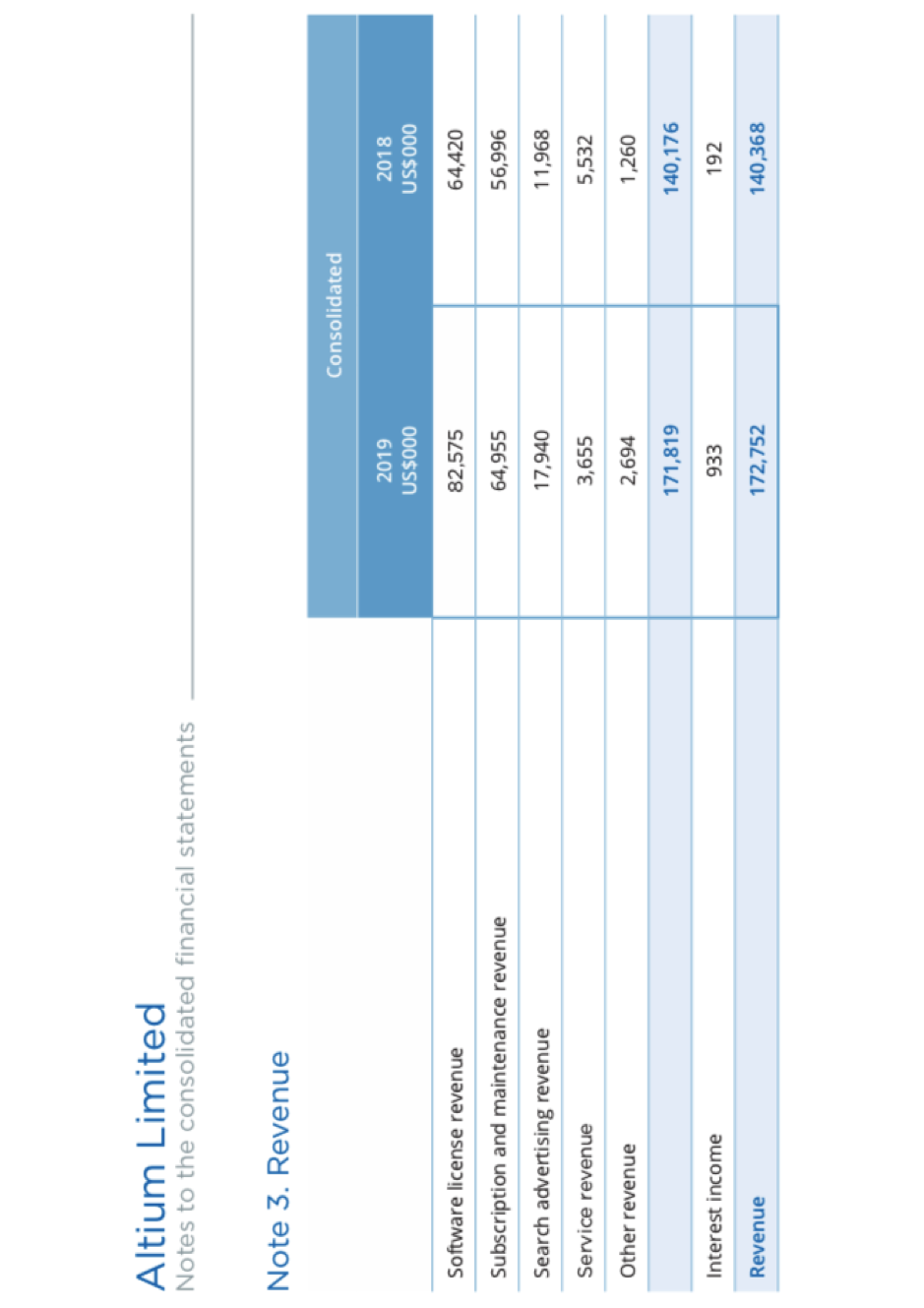
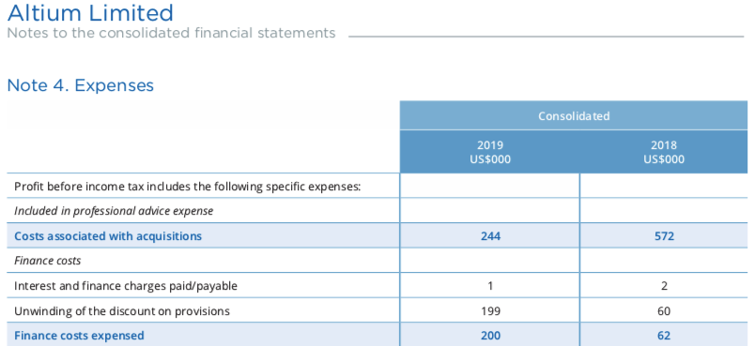
 |  |  |  |  |  | Documentation
 | Altium Limited |  |  |  |  | 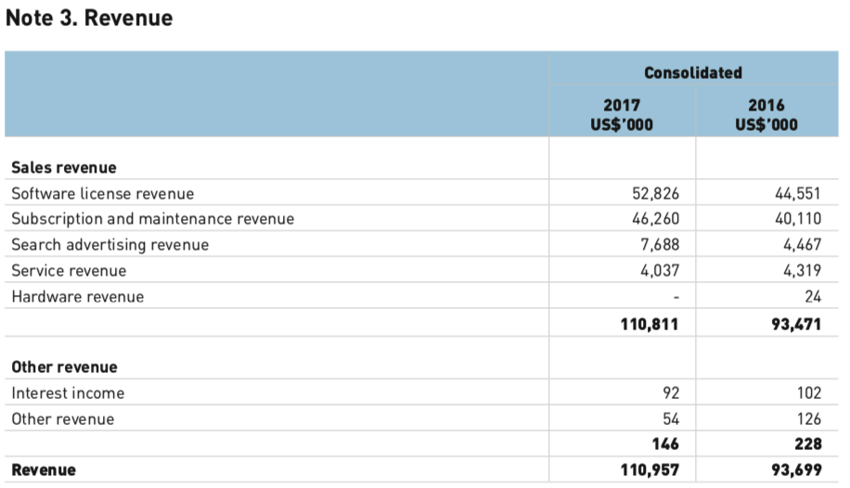 This is an area where we can put documentation.
 | Income Statement (and Comprehensive Income Statement)
 | Years ended 30 June
 |  | 2019 | 2018 | 2017 | 2016
 |  | US$'000 | US$'000 | US$'000 | US$'000

 | Revenue
O | Sales Revenue | 171,819 | 140,176 | 110,865 | 93,597
F | Interest Income | 933 | 192 | 92 | 102
 | Total Revenue | 172,752 | 140,368 | 110,957 | 93,699

 | Expenses
O | Employee benefits expense | (70,581) | (63,437) | (52,343) | (45,244)
O | Share based payments | (6,943) | (2,371) | (2,132) | (1,365)
O | Drepreciation & Amortisation expense | (5,842) | (5,296) | (3,785) | (2,741)
O | Rental & Occupancy expense | (5,095) | (4,254) | (3,822) | (3,773)
O | Marketing expense | (5,038) | (3,516) | (3,096) | (2,532)
O | Software and equipment expense | (5,026) | (4,333) | (2,565) | (1,762)
O | Travel expense | (4,857) | (4,463) | (4,153) | (3,106)
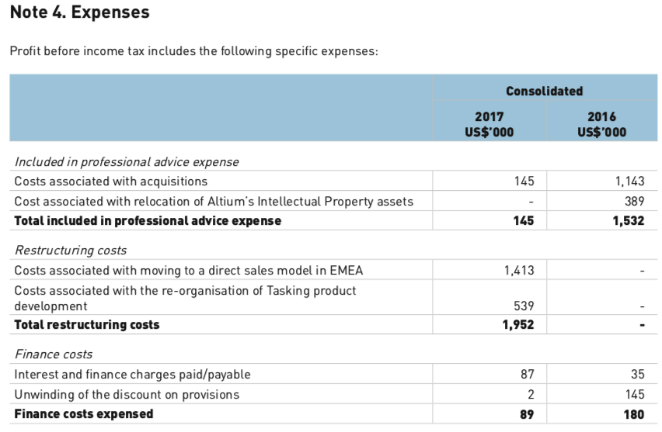
O | Communication expense | (3,511) | (2,679) | (1,892) | (945)
O | Professional advice expense | (3,350) | (2,770) | (2,214) | (3,298)
O | Re-measurement of contingent consideration | 55 | (4,387) | (433) | 0
F | Finance costs - Interest & finance charges paid/payable | (1) | (2) | (4) | (35)
F | Finance costs - Unwinding of the discount on provisions | (199) | (60) | (85) | (145)
O | Restructuring costs | 0 | 0 | (1,952) | 0
O | Net foreign exchange gain/(loss) | 119 | 335 | (30) | 83
O | Other expenses | (4,871) | (3,432) | (2,979) | (4,226)
 | Total Expenses | (115,140) | (100,665) | (81,485) | (69,089)

 | Profit before income tax expense | 57,612 | 39,703 | 29,472 | 24,610
O | Income tax expense | (4,719) | (2,214) | (1,395) | (1,590)
 | Profit after income tax expense for the year attributable to the owners of Altium Limited | 52,893 | 37,489 | 28,077 | 23,020

 | Other Comprehensive Income
 | Items that may be reclassified subsequently to profit or loss
O | Exchange differennces on translation of foreign operations | (349) | (1,136) | (251) | (278)
N/A | Other comprehensive income for the year, net of tax | (349) | (1,136) | (251) | (278)
 | Total comprehensive income for the year attributable to the owners of Altium Limited | 52,544 | 36,353 | 27,826 | 22,742

 | Basic earnings per share | 40.57 | 28.76 | 21.70 | 17.89
 | Diluted earnings per share | 40.39 | 28.80 | 21.70 | 17.89

 |  |  |  |  |  | Notes Area
 | Altium Limited |  |  |  |  | This area is designed as a space to write notes to yourself. Hopefully this will save you the hassle of attempting to find the pen and paper that is somewhere in the bottom of your bag.
 | Balance Sheet
 | as at 30 June
 |  | 2019 | 2018 | 2017 | 2016
 |  | US$'000 | US$'000 | US$'000 | US$'000 | PLEASE NOTE:
 |  |  |  |  |  | Provisions:
 | Assets |  |  |  |  | I have split the provisions into Employee benefits and Contingent consideration for Current Liabilities.
 | Current Assets |  |  |  |  | I have allocated employee beenfits as operations and contingent consideration to financial
split | Cash and cash equivalents | 80,531 | 52,459 | 44,273 | 38,139
O | Trade and other receivables | 45,833 | 38,799 | 32,631 | 29,840 | Other Liabilities: Other payables represents lease incentives in relations to operating leases. Therefore I have allocated to operating.
O | Inventories | 754 | 0 | 0 | 0
O | Tax receivables | 1,498 | 984 | 41 | 566
O | Other assets | 2,856 | 3,187 | 2,861 | 1,548
 | Total current assets | 131,472 | 95,429 | 79,806 | 70,093

 | Non-current assets
O | Trade and other receivables | 2,285 | 1,662 | 2,531 | 5,379
O | Property, plant & equipment | 7,762 | 5,712 | 7,317 | 5,091
O | Intangible assets | 51,534 | 49,068 | 38,196 | 33,508
O | Deferred tax assets | 84,873 | 82,120 | 82,946 | 82,301
 | Total non-current assets | 146,454 | 138,562 | 130,990 | 126,279

 | Total Assets | 277,926 | 233,991 | 210,796 | 196,372

 | Liabilities
 | Current Liabilities
F | Borrowings | 0 | 0 | 0 | 51
O | Trade and other payables | 16,278 | 12,147 | 10,179 | 7,137
O | Tax liabilities | 5,705 | 772 | 1,008 | 2,713
O | Provisions - Employee Benefits | 2,109 | 1,711 | 1,451 | 1,254
F | Provisions - Contingent consideration | 0 | 5,073 | 6,149 | 2,314
O | Deferred revenue | 48,277 | 43,989 | 38,436 | 32,234
 | Total current liabilities | 72,369 | 63,692 | 57,223 | 45,703

 | Non-current liabilities
F | Borrowings | 0 | 0 | 0 | 20
O | Deferred tax liability | 5,833 | 5,566 | 5,276 | 4,793
O | Provisions | 6,407 | 3,974 | 703 | 4,230
O | Deferred revenue | 6,875 | 6,035 | 6,958 | 9,038
O | Other liabilities | 1,884 | 2,098 | 674 | 1,793
 | Total non-current liabilities | 20,999 | 17,673 | 13,611 | 19,874

 | Total Liabilities | 93,368 | 81,365 | 70,834 | 65,577

 | Net Assets | 184,558 | 152,626 | 139,962 | 130,795

 | Equity
N/A | Contributed equity | 126,058 | 125,635 | 125,177 | 125,177
N/A | Reserves | 19,079 | 12,625 | 12,275 | 10,394
N/A | Retained profits/(accumulated losses) | 39,421 | 14,366 | 2,510 | (4,776)
 | Total equity | 184,558 | 152,626 | 139,962 | 130,795

 | Working Area
 | This is a place where you can copy and paste formulas, play with calculations and generally have fun whilst being able to see the data you are currently working on.

 | Income Statement - Check Sums

 | Total Revenue less expenses = profit before tax | 57,612 | 39,703 | 29,472 | 24,610
 | Profit before tax | 57,612 | 39,703 | 29,472 | 24,610
 | Difference | 0 | 0 | 0 | 0

 | Profit before tax plus tax expense = profit after tax | 52,893 | 37,489 | 28,077 | 23,020
 | Profit after tax | 52,893 | 37,489 | 28,077 | 23,020
 | Difference | 0 | 0 | 0 | 0

 | Balance Sheet - Check Sums

 | Assets-liabilities=equity | 184,558 | 152,626 | 139,962 | 130,795
 | Equity | 184,558 | 152,626 | 139,962 | 130,795
 | Difference | 0 | 0 | 0 | 0

